Instructions
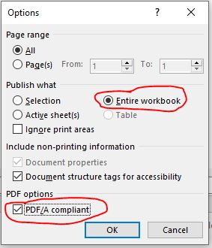
10-Feb-22

 | Enter Data:
 | Cells with light grey are intended to be filled in. All other cells are not to be changed or automatically filled in

 | Save as a PDF recommendation:

 | Save As: select PDF *.pdf

